specification
picture | style | description | S | M | L | XL | XXL | tot | WS | RTL | MADE IN | COMPOSITION
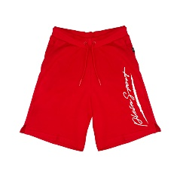 | PCPS500752 | BERMUDA - RED | 7 | 7 | 5 | 8 | 7 | 34 | 80.00 € | 200.00 € | BD | 86%CO 14%PL
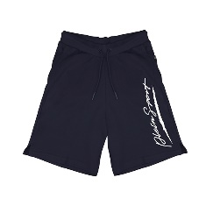 | PCPS500785 | BERMUDA - NAVY | 6 | 8 | 22 | 17 |  | 53 | 80.00 € | 200.00 € | BD | 86%CO 14%PL
 | PFPS510001 | LONG PANT FLEECE - WHITE |  | 16 | 23 | 26 | 7 | 72 | 100.00 € | 250.00 € | BD | 86%CO 14%PL
 | PFPS510052 | LONG PANT FLEECE - RED | 29 | 55 | 59 | 57 | 27 | 227 | 100.00 € | 250.00 € | BD | 86%CO 14%PL
 | PFPS510085 | LONG PANT FLEECE - NAVY | 42 | 89 | 89 | 89 | 41 | 350 | 100.00 € | 250.00 € | BD | 86%CO 14%PL
 | PFPS510094 | LONG PANT FLEECE - GREY | 17 | 56 | 45 | 61 | 23 | 202 | 100.00 € | 250.00 € | BD | 86%CO 14%PL
 | PFPS510099 | LONG PANT FLEECE - BLACK | 3 | 29 | 36 | 47 | 12 | 127 | 100.00 € | 250.00 € | BD | 86%CO 14%PL
 | PFPS510101 | LONG PANT FLEECE - WHITE | 7 | 13 | 16 | 17 | 11 | 64 | 100.00 € | 250.00 € | BD | 86%CO 14%PL
 | PFPS510152 | LONG PANT FLEECE - RED | 15 | 43 | 39 | 46 | 18 | 161 | 100.00 € | 250.00 € | BD | 86%CO 14%PL
 | PFPS510185 | LONG PANT FLEECE - NAVY | 18 | 47 | 60 | 64 | 16 | 205 | 100.00 € | 250.00 € | BD | 86%CO 14%PL
 | PFPS510194 | LONG PANT FLEECE - GREY | 34 | 69 | 69 | 73 | 35 | 280 | 100.00 € | 250.00 € | BD | 86%CO 14%PL
 | PFPS510199 | LONG PANT FLEECE - BLACK |  | 6 | 14 | 28 |  | 48 | 100.00 € | 250.00 € | BD | 86%CO 14%PL
 | PFPS510201 | LONG PANT FLEECE - WHITE | 8 | 9 | 11 | 15 | 7 | 50 | 100.00 € | 250.00 € | BD | 86%CO 14%PL
 | PFPS510252 | LONG PANT FLEECE - RED | 7 | 12 | 8 | 8 |  | 35 | 100.00 € | 250.00 € | BD | 86%CO 14%PL
 | PFPS510285 | LONG PANT FLEECE - NAVY | 13 | 33 | 32 | 34 | 15 | 127 | 100.00 € | 250.00 € | BD | 86%CO 14%PL
 | PFPS510452 | LONG PANT FLEECE - RED | 29 | 59 | 57 | 60 | 30 | 235 | 100.00 € | 250.00 € | BD | 86%CO 14%PL
 | PFPS510485 | LONG PANT FLEECE - NAVY | 21 | 55 | 43 | 52 | 20 | 191 | 100.00 € | 250.00 € | BD | 86%CO 14%PL
 | PFPS510494 | LONG PANT FLEECE - GREY | 20 | 47 | 41 | 57 | 20 | 185 | 100.00 € | 250.00 € | BD | 86%CO 14%PL
 | PFPS510499 | LONG PANT FLEECE - BLACK | 1 | 16 | 6 | 23 |  | 46 | 100.00 € | 250.00 € | BD | 86%CO 14%PL
 | PFPS511152 | LONG PANT FLEECE - RED | 29 | 57 | 58 | 57 | 29 | 230 | 100.00 € | 250.00 € | BD | 86%CO 14%PL
 | PFPS511185 | LONG PANT FLEECE - NAVY | 10 | 43 | 34 | 45 | 8 | 140 | 100.00 € | 250.00 € | BD | 86%CO 14%PL
 | PFPS511194 | LONG PANT FLEECE - GREY | 14 | 40 | 32 | 42 | 16 | 144 | 100.00 € | 250.00 € | BD | 86%CO 14%PL
 | PFPS511199 | LONG PANT FLEECE - BLACK | 10 | 34 | 29 | 33 | 6 | 112 | 100.00 € | 250.00 € | BD | 86%CO 14%PL
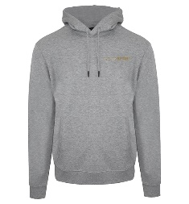 | FIPSC522194 | SWEATSHIRT HOODY - GREY | 23 | 26 | 24 | 28 | 22 | 123 | 120.00 € | 300.00 € | BD | 86%CO 14%PL
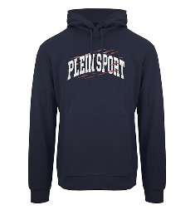 | FIPSC522385 | SWEATSHIRT HOODY - NAVY | 36 | 56 | 59 | 52 | 32 | 235 | 120.00 € | 300.00 € | BD | 90%CO 10%VIS
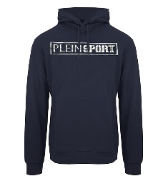 | FIPSC522885 | SWEATSHIRT HOODY - NAVY | 30 | 55 | 50 | 59 | 34 | 228 | 120.00 € | 300.00 € | BD | 90%CO 10%VIS
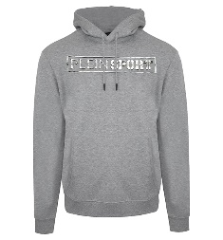 | FIPSC522894 | SWEATSHIRT HOODY - GREY |  | 20 |  | 16 |  | 36 | 120.00 € | 300.00 € | BD | 90%CO 10%VIS
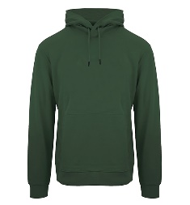 | FIPSC522932 | SWEATSHIRT HOODY - GREEN | 10 | 32 | 25 | 36 | 12 | 115 | 120.00 € | 300.00 € | BD | 90%CO 10%VIS
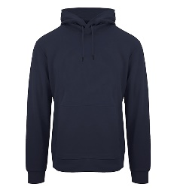 | FIPSC522985 | SWEATSHIRT HOODY - NAVY | 34 | 68 | 67 | 68 | 32 | 269 | 120.00 € | 300.00 € | BD | 90%CO 10%VIS
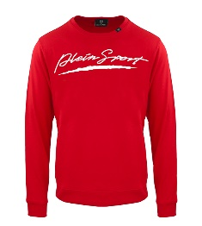 | FIPSG524052 | SWEATSHIRT ROUNDNECK - RED | 13 | 22 | 12 | 22 | 12 | 81 | 100.00 € | 250.00 € | BD | 86%CO 14%POL
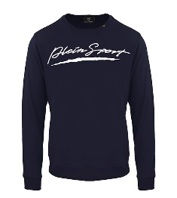 | FIPSG524085 | SWEATSHIRT ROUNDNECK - NAVY | 3 | 36 | 9 | 38 |  | 86 | 100.00 € | 250.00 € | BD | 86%CO 14%POL
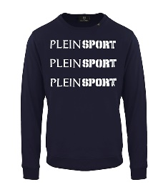 | FIPSG524485 | SWEATSHIRT ROUNDNECK - NAVY | 41 | 84 | 87 | 87 | 43 | 342 | 100.00 € | 250.00 € | BD | 86%CO 14%POL
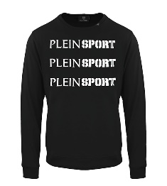 | FIPSG524499 | SWEATSHIRT ROUNDNECK - BLACK | 43 | 103 | 101 | 106 | 43 | 396 | 100.00 € | 250.00 € | BD | 86%CO 14%POL
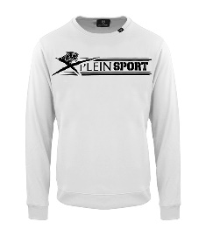 | FIPSG525101 | SWEATSHIRT ROUNDNECK - WHITE | 13 | 13 |  |  |  | 26 | 100.00 € | 250.00 € | BD | 86%CO 14%POL
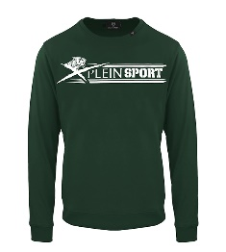 | FIPSG525132 | SWEATSHIRT ROUNDNECK - GREEN | 11 | 14 | 16 | 22 | 8 | 71 | 100.00 € | 250.00 € | BD | 86%CO 14%POL
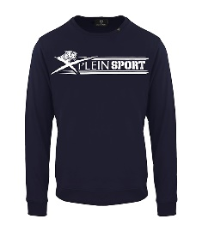 | FIPSG525185 | SWEATSHIRT ROUNDNECK - NAVY | 3 | 13 | 16 | 16 | 5 | 53 | 100.00 € | 250.00 € | BD | 86%CO 14%POL
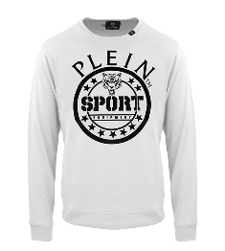 | FIPSG525301 | SWEATSHIRT ROUNDNECK - WHITE | 5 | 9 |  | 5 | 3 | 22 | 100.00 € | 250.00 € | BD | 86%CO 14%POL
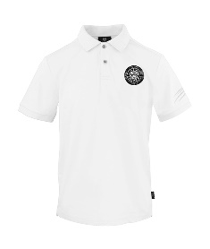 | PIPS530601 | POLO - WHITE | 99 | 196 | 195 | 195 | 27 | 712 | 72.00 € | 180.00 € | BD | 100%COTONE
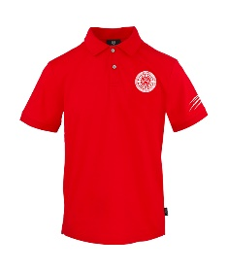 | PIPS530652 | POLO - RED | 65 | 127 | 118 | 115 |  | 425 | 72.00 € | 180.00 € | BD | 100%COTONE
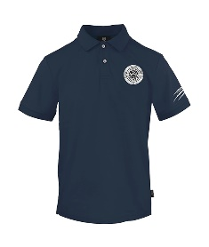 | PIPS530685 | POLO - NAVY | 88 | 213 | 215 | 209 |  | 725 | 72.00 € | 180.00 € | BD | 100%COTONE
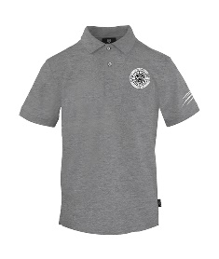 | PIPS530694 | POLO - GREY | 26 | 56 | 45 | 49 |  | 176 | 72.00 € | 180.00 € | BD | 100%COTONE
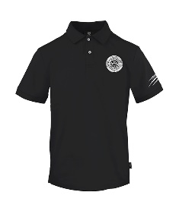 | PIPS530699 | POLO - BLACK | 93 | 175 | 172 | 167 |  | 607 | 72.00 € | 180.00 € | BD | 100%COTONE
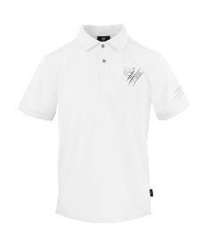 | PIPS531101 | POLO - WHITE | 133 | 283 | 263 | 280 | 125 | 1084 | 72.00 € | 180.00 € | BD | 100%COTONE
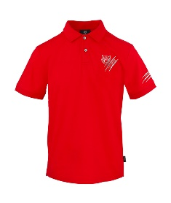 | PIPS531152 | POLO - RED | 47 | 95 | 86 | 89 | 34 | 351 | 72.00 € | 180.00 € | BD | 100%COTONE
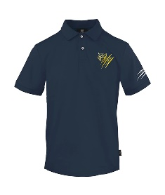 | PIPS531185 | POLO - NAVY | 205 | 419 | 406 | 416 | 198 | 1644 | 72.00 € | 180.00 € | BD | 100%COTONE
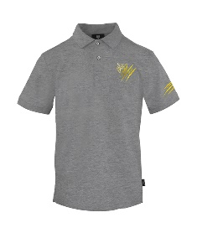 | PIPS531194 | POLO - GREY | 28 | 43 | 48 | 40 | 22 | 181 | 72.00 € | 180.00 € | BD | 100%COTONE
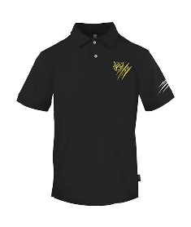 | PIPS531199 | POLO - BLACK | 60 | 140 | 135 | 132 | 39 | 506 | 72.00 € | 180.00 € | BD | 100%COTONE
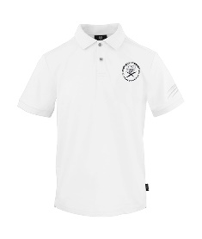 | PIPS531401 | POLO - WHITE | 147 | 300 | 295 | 302 | 145 | 1189 | 72.00 € | 180.00 € | BD | 100%COTONE
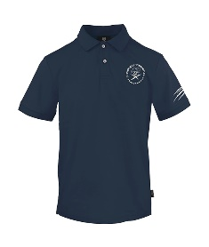 | PIPS531485 | POLO - NAVY | 147 | 299 | 294 | 292 | 133 | 1165 | 72.00 € | 180.00 € | BD | 100%COTONE
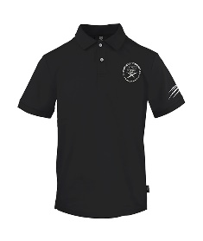 | PIPS531499 | POLO - BLACK | 96 | 191 | 188 | 190 | 92 | 757 | 72.00 € | 180.00 € | BD | 100%COTONE
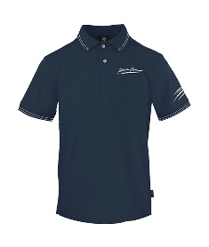 | PIPS531985 | POLO - NAVY | 132 | 273 | 268 | 267 | 110 | 1050 | 72.00 € | 180.00 € | BD | 100%COTONE
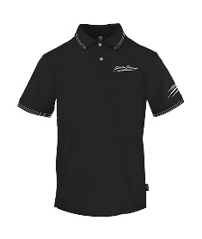 | PIPS531999 | POLO - BLACK | 3 | 11 | 4 | 10 |  | 28 | 72.00 € | 180.00 € | BD | 100%COTONE
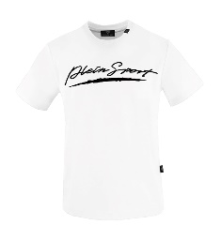 | TIPS550301 | T-SHIRT - WHITE | 42 | 111 | 119 | 156 | 4 | 432 | 48.00 € | 120.00 € | BD | 100%COTONE
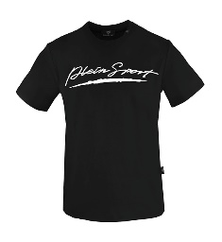 | TIPS550399 | T-SHIRT - BLACK | 76 | 91 | 28 | 84 | 27 | 306 | 48.00 € | 120.00 € | BD | 100%COTONE
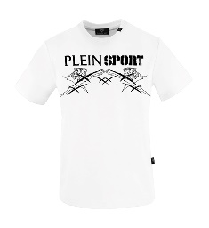 | TIPS551401 | T-SHIRT - WHITE | 32 | 3 | 3 | 3 | 29 | 70 | 56.00 € | 140.00 € | BD | 100%COTONE
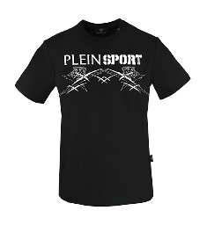 | TIPS551499 | T-SHIRT - BLACK | 51 | 145 | 136 | 138 | 47 | 517 | 56.00 € | 140.00 € | BD | 100%COTONE
 | TIPS552699 | T-SHIRT - BLACK | 80 | 172 | 160 | 162 | 72 | 646 | 56.00 € | 140.00 € | BD | 100%COTONE
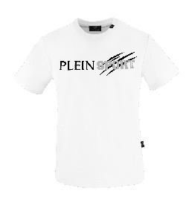 | TIPS552901 | T-SHIRT - WHITE | 83 | 203 | 170 | 220 | 89 | 765 | 48.00 € | 120.00 € | BD | 100%COTONE
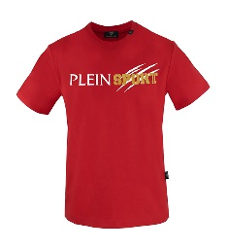 | TIPS552952 | T-SHIRT - RED | 50 | 100 | 98 | 100 | 50 | 398 | 48.00 € | 120.00 € | BD | 100%COTONE
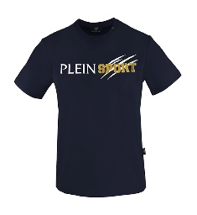 | TIPS552985 | T-SHIRT - NAVY | 72 | 154 | 126 | 153 | 63 | 568 | 48.00 € | 120.00 € | BD | 100%COTONE
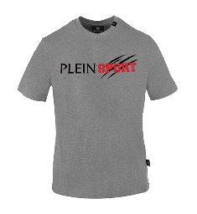 | TIPS552994 | T-SHIRT - GREY | 112 | 210 | 197 | 203 | 111 | 833 | 48.00 € | 120.00 € | BD | 100%COTONE
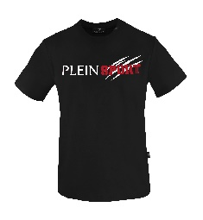 | TIPS552999 | T-SHIRT - BLACK | 124 | 271 | 243 | 277 | 122 | 1037 | 48.00 € | 120.00 € | BD | 100%COTONE
 |  | 0 | 2696 | 5675 | 5306 | 5763 | 2133 | 21573

